the.xnpv.start
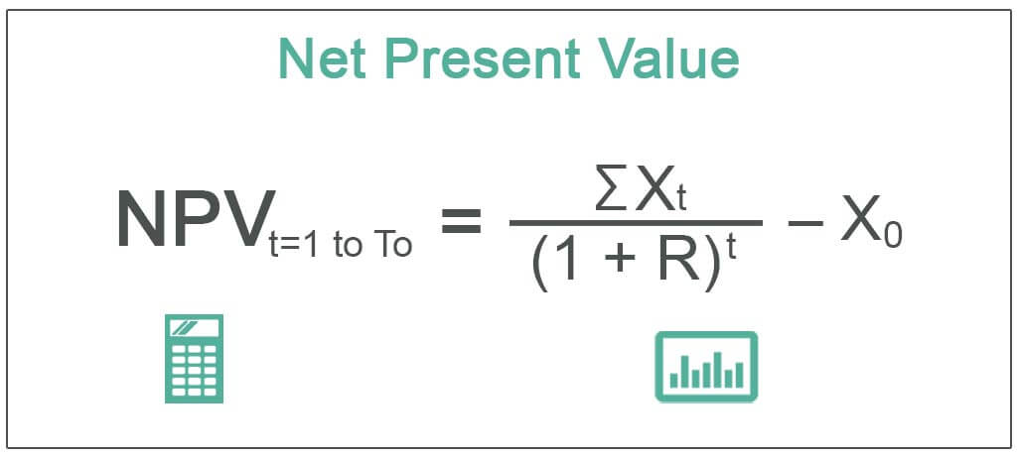
What is the net present value (NPV) of the following cash flows based on the dates?

2022-03-31 | ($250,000)
2023-09-27 | ($150,000)
2024-03-25 | $0
2024-06-23 | $50,000
2024-09-21 | $150,000
2025-01-01 | $500,000
2025-09-21 | $500,000
2025-09-21 | $2,000,000

