pmt.start
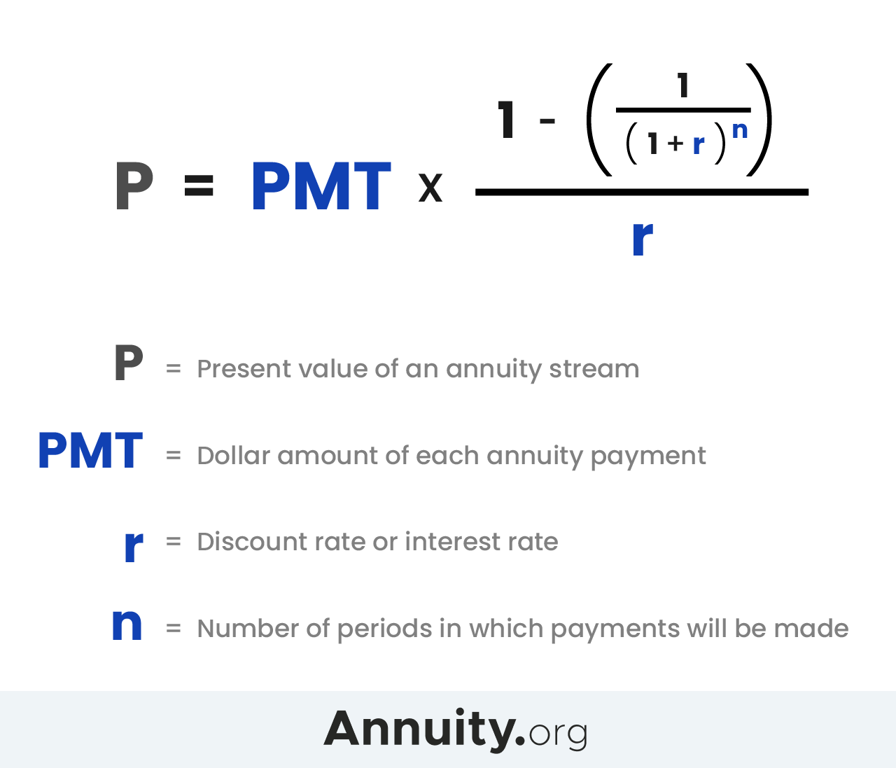

payment
rate
nper
pv

