the.npv.function.start
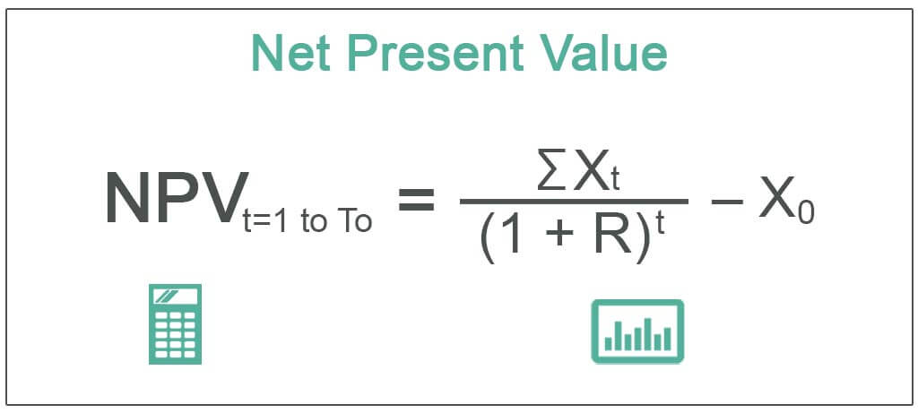
What is the net present value (NPV) of the following cash flows?

($250,000)
($150,000)
$0
$50,000
$150,000
$500,000
$500,000
$2,000,000

