fv.start
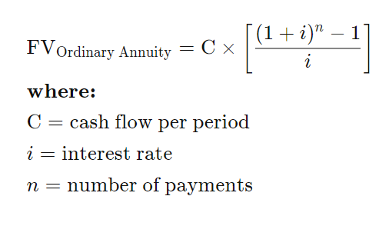
present.value | $500 | future value of principal | $2,463
int.rate | 8% | future value of payments | $117,804
periods | 20 |  | $120,267
payment | $200
future.value

