nper.start
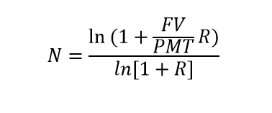
present.value | $25,000
rate | 10%
payment | $500 | NPER | 346
future.value | $1,000,000
periods

