irr.start
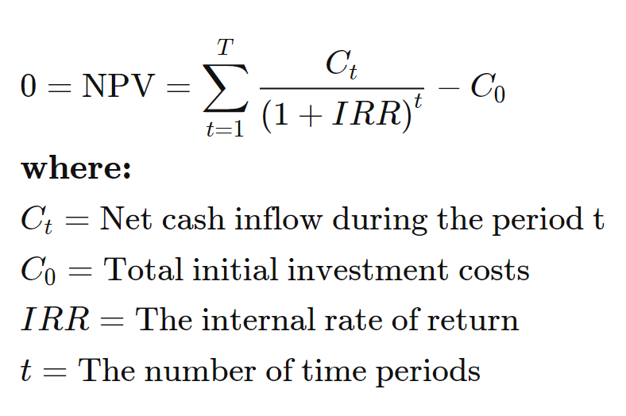
 | What is the IRR of these cash flows?

0 | ($250,000)
1 | ($150,000)
2 | $0
3 | $50,000
4 | $150,000
5 | $500,000
6 | $500,000
7 | $2,000,000

